Sheet1
PIONEER SERVICES



M/S Innovative Ventilation Ssytems |  |  |  |  | 21-Nov-24

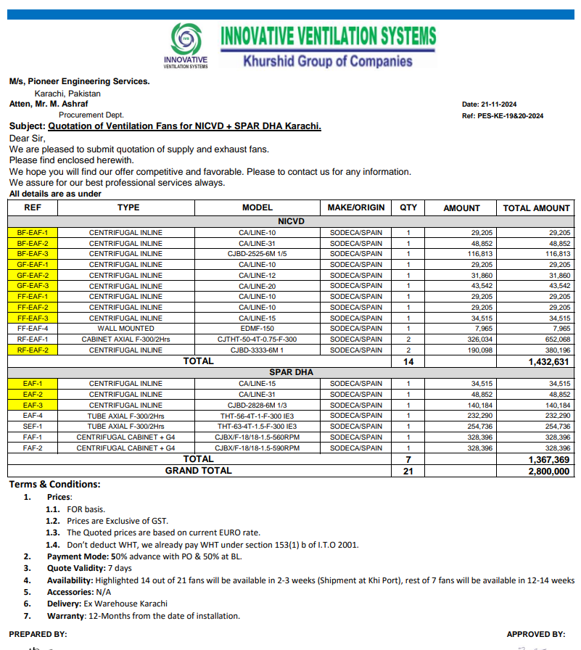
PO # 130
Att: Mr. Imran

PURCHASE ORDER

Supply of Ventilation Fans for NICVD + SPAR DHA Karachi.
S No. | D e s c r i p t i o n | Qty | Unit | Rate | Amount
 | Brand: SODECA / SPAIN |  |  |  |  | 575,000
1 | CENTRIFUGAL INLINE | 1 | No | 29,205 | 29,205
2 | CENTRIFUGAL INLINE | 1 | No | 48,852 | 48,852
3 | CENTRIFUGAL INLINE | 1 | No | 116,813 | 116,813
4 | CENTRIFUGAL INLINE | 1 | No | 29,205 | 29,205
5 | CENTRIFUGAL INLINE | 1 | No | 31,860 | 31,860
6 | CENTRIFUGAL INLINE | 1 | No | 43,542 | 43,542
7 | CENTRIFUGAL INLINE | 1 | No | 29,205 | 29,205
8 | CENTRIFUGAL INLINE | 1 | No | 29,205 | 29,205
9 | CENTRIFUGAL INLINE | 1 | No | 34,515 | 34,515
10 | WALL MOUNTED | 1 | No | 7,965 | 7,965
11 | CABINET AXIAL F-300/2HRS | 2 | No | 326,034 | 652,068
12 | CENTRIFUGAL INLINE | 2 | No | 190,098 | 380,196
 |  | TOTAL: |  |  | 1,400,000
 | Brand: SODECA / SPAIN |  |  |  |  | 575,000
1 | CENTRIFUGAL INLINE | 1 | No | 34,515 | 34,515
2 | CENTRIFUGAL INLINE | 1 | No | 48,852 | 48,852
3 | CENTRIFUGAL INLINE | 1 | No | 140,184 | 140,184
4 | TUBE AXIAL F-300/2HRS | 1 | No | 232,290 | 232,290
5 | TUBE AXIAL F-300/2HRS | 1 | No | 254,736 | 254,736
6 | CENTRIFUGAL CABINET + G4 | 1 | No | 328,396 | 328,396
7 | CENTRIFUGAL CABINET + G4 | 1 | No | 328,396 | 328,396
 |  | TOTAL: |  |  | 1,400,000

Note: This PO is subject to the consultant's approval and time frame as client required.

for Pioneer Services

